RM
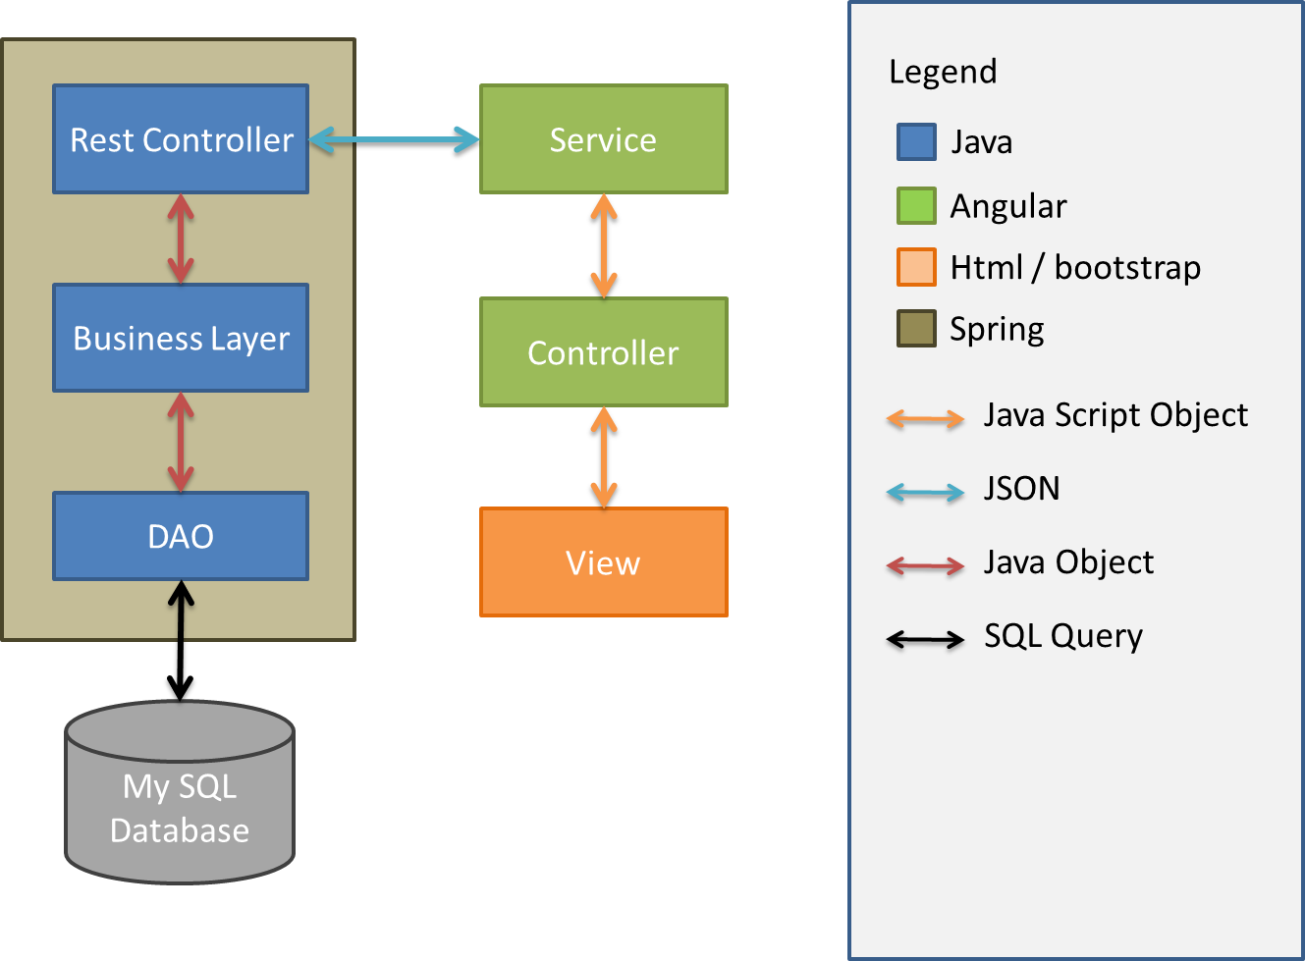
 | Requirement

1 | Title | One
2 | Description | One | Details of the requirment
3 | shortTitle | One
4 | Creator | Many | Where is this requirement coming from
5 | contributor | Many
6 | Created | One | Timestamp
7 | Modified
8 | Type | One | New Feature, Enhancement, bug/Issue, Task, CR,?
9 | Constraints | Many
10 | Links | Many
11 | Eloberation | Many
12 | EloberatedBy | Many
13 | Parent | One
14 | Priority | One | Blocker, Critical, Major, Minor, Trivial, TBD
15 | Status |  | Open, Assigned, Implementation, Dev Testing, Suspended, QA Testing, ReOpen, Closed

Use Cases

1 | Manage Requirement |  | Create, Update and Delete (no physical deletion)
2 | List Requirements |  | Show all requirements with filters by Type, Status, Version, Date range, Created By
3 | Search Requirement |  | by title, shortTitle, descirption, subject
4 | Attach File(s) |  | Upload Files to attach to the requirement.

